Sheet1
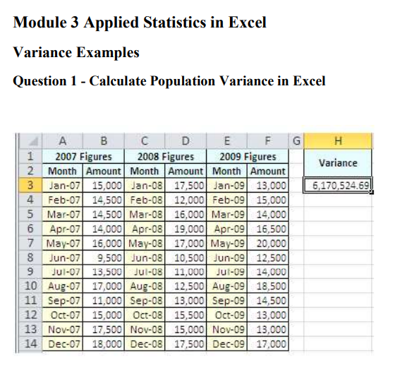

2007 Month | Column1 | 2008 Month | Column2 | 2009 Month | Column3 | Variance
Month | Amount | Month | Amount | Month | Amount | 6085455.2469
Jan-07 | 15000 | Jan-08 | 17500 | Jan-09 | 13000
Feb-07 | 14500 | Feb-08 | 12500 | Feb-09 | 15000
Mar-07 | 14500 | Mar-08 | 16000 | Mar-09 | 14000
Apr-07 | 14500 | Apr-08 | 19000 | Apr-09 | 16500
May-07 | 16000 | May-08 | 17000 | May-09 | 20000
Jun-07 | 9500 | Jun-08 | 10500 | Jun-09 | 12500
Jul-07 | 13500 | Jul-08 | 11000 | Jul-09 | 14000
Aug-07 | 17000 | Aug-08 | 12500 | Aug-09 | 18500
Sep-07 | 11000 | Sep-08 | 13000 | Sep-09 | 14500
Oct-07 | 14500 | Oct-08 | 15000 | Oct-09 | 13000
Nov-07 | 17500 | Nov-08 | 15500 | Nov-09 | 13000
Dec-07 | 18000 | Dec-08 | 17500 | Dec-09 | 17000

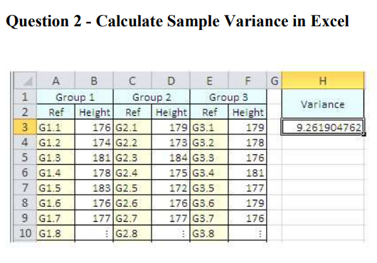

Group 1 | Column1 | Group 2 | Column2 | Group 3 | Column3 | Variance
Ref | Height | Ref | Height | Ref | Height | 9.2476190476
G1.1 | 176 | G2.1 | 179 | G3.1 | 179
G1.2 | 174 | G2.2 | 173 | G3.2 | 178
G1.3 | 181 | G2.3 | 184 | G3.3 | 176
G1.4 | 178 | G2.4 | 175 | G3.4 | 181
G1.5 | 183 | G2.5 | 172 | G3.5 | 177
G1.6 | 176 | G2.6 | 179 | G3.6 | 179
G1.7 | 177 | G2.7 | 177 | G3.7 | 176
G1.8 |  | G2.8 |  | G3.8

